Instructions
Instructions

1. General
 | Column Width 0,83 (10px) = weekly view; 0,25 = monthly view
 | Use Macros to switch weekly / monthly views
 | Use Filter (Column B) for aggregated views (e.g. Level 1 only)
 | Show Row 10 for the Monday that week (defaulted in macro in weekly view)
 | Project Start date defines timeline
 | "Status by" (Today) determines formatting and delays...
 | The template is defaulted to 36 weeks timne horizon
 |  | You can change the view with the controle panel

 | It is recommended to remove the helper tabs before sharing file with customers
 | Sat/Sun are considered being not working days
 | ID's should be in Format n.a.n with use of dots, then evaluation of Level works automatically

2. Maintain the template
 | How to add lines
 |  | Option A (preferred as not impacting conditional formatting)
 |  |  | Select in between 2 tasks (Level 3)
 |  |  | Insert an (or many) empty line(s)
 |  |  | Copy FORMULAS from the task line above
 |  |  | adjust numbering and dates etc. as usual
 |  | Option B (may impact conditional formatting, but not functionality)
 |  |  | Select complete lines you want to copy (e.g. Lines 15 - 28 for a section with 3 Phases) and copy
 |  |  | Select a line in column A where it should be included
 |  |  | Copy selected lines
 |  | IMPORTANT
 |  |  | PoC formulars have to be reviewed and adjusted to include proper fields in the Average calculation (e.g. Include new lines in upper hierarchie PoC Evaluation)
 | Update PoC
 |  | Just update PoC on lowest plan level and it should aggregate to upper level if formulas have been adjusted (see above)
 | column C
 |  | With a "j" in column C you define the GANTT representation in Task Layout instead of shadowed version:

 | Spare columns
 |  | Use any of the spare columns for additional attributes (description etc...)
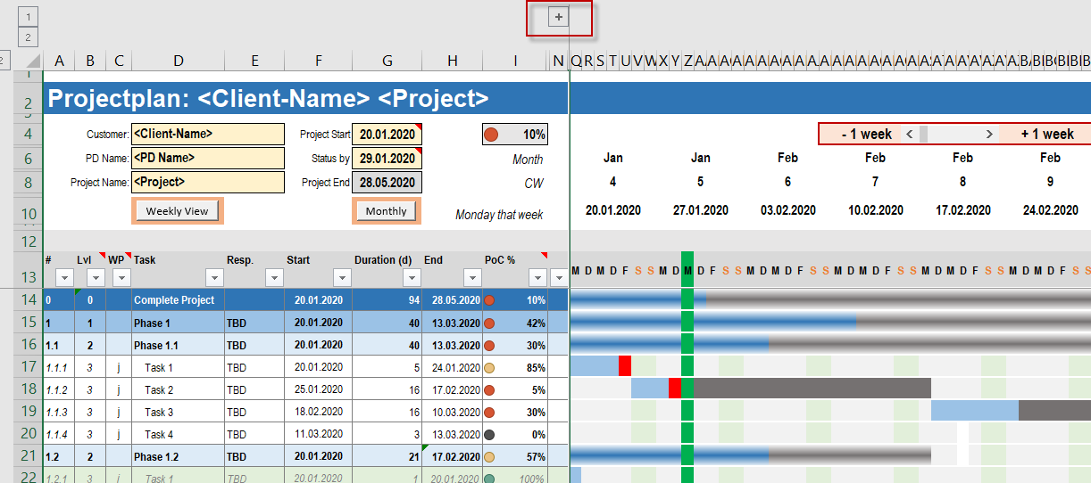

Source Homepage |  |  |  | www.sixsigmablackbelt.de
Kudus of original Template |  |  |  | https://www.sixsigmablackbelt.de/toolbox/

View Option
Source Homepage | www.sixsigmablackbelt.de
Kudus of original Template | https://www.sixsigmablackbelt.de/toolbox/

Weekly View: Column Width 10 px (0,83):
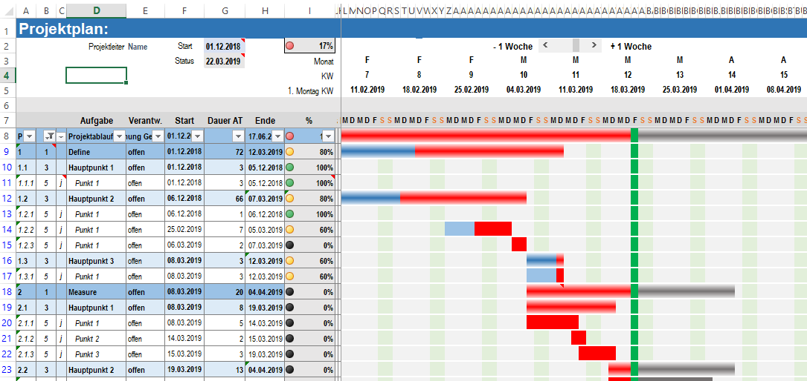

Monthly View: Column Width 0,25)
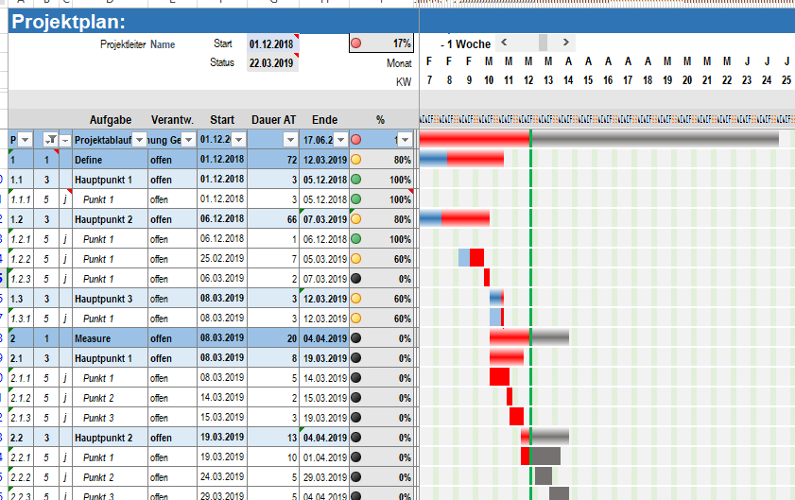

Monthly View - aggregated on summary tasks (Filter set to Level 1): Column Width 0,25)

Project GANTT Chart
Project

 |  |  | Customer: | <Client-Name> |  | Project Start | 2020-01-18 | 2020-01-13 | 3% |  | 0

-1 week +1
 |  |  | PD Name: | <PD Name> |  | Status by | 2020-02-17 |  | Month | 2020-01-13 |  |  |  |  |  |  | 2020-01-20 |  |  |  |  |  |  | 2020-01-27 |  |  |  |  |  |  | 2020-02-03 |  |  |  |  |  |  | 2020-02-10 |  |  |  |  |  |  | 2020-02-17 |  |  |  |  |  |  | 2020-02-24 |  |  |  |  |  |  | 2020-03-02 |  |  |  |  |  |  | 2020-03-09 |  |  |  |  |  |  | 2020-03-16 |  |  |  |  |  |  | 2020-03-23 |  |  |  |  |  |  | 2020-03-30 |  |  |  |  |  |  | 2020-04-06 |  |  |  |  |  |  | 2020-04-13 |  |  |  |  |  |  | 2020-04-20 |  |  |  |  |  |  | 2020-04-27 |  |  |  |  |  |  | 2020-05-04 |  |  |  |  |  |  | 2020-05-11 |  |  |  |  |  |  | 2020-05-18 |  |  |  |  |  |  | 2020-05-25 |  |  |  |  |  |  | 2020-06-01 |  |  |  |  |  |  | 2020-06-08 |  |  |  |  |  |  | 2020-06-15 |  |  |  |  |  |  | 2020-06-22 |  |  |  |  |  |  | 2020-06-29 |  |  |  |  |  |  | 2020-07-06 |  |  |  |  |  |  | 2020-07-13 |  |  |  |  |  |  | 2020-07-20 |  |  |  |  |  |  | 2020-07-27 |  |  |  |  |  |  | 2020-08-03 |  |  |  |  |  |  | 2020-08-10 |  |  |  |  |  |  | 2020-08-17 |  |  |  |  |  |  | 2020-08-24 |  |  |  |  |  |  | 2020-08-31 |  |  |  |  |  |  | 2020-09-07

 |  |  | Project Name: | <Project> |  | Project End | 2020-12-23 |  | CW | 3 |  |  |  |  |  |  | 4 |  |  |  |  |  |  | 5 |  |  |  |  |  |  | 6 |  |  |  |  |  |  | 7 |  |  |  |  |  |  | 8 |  |  |  |  |  |  | 9 |  |  |  |  |  |  | 10 |  |  |  |  |  |  | 11 |  |  |  |  |  |  | 12 |  |  |  |  |  |  | 13 |  |  |  |  |  |  | 14 |  |  |  |  |  |  | 15 |  |  |  |  |  |  | 16 |  |  |  |  |  |  | 17 |  |  |  |  |  |  | 18 |  |  |  |  |  |  | 19 |  |  |  |  |  |  | 20 |  |  |  |  |  |  | 21 |  |  |  |  |  |  | 22 |  |  |  |  |  |  | 23 |  |  |  |  |  |  | 24 |  |  |  |  |  |  | 25 |  |  |  |  |  |  | 26 |  |  |  |  |  |  | 27 |  |  |  |  |  |  | 28 |  |  |  |  |  |  | 29 |  |  |  |  |  |  | 30 |  |  |  |  |  |  | 31 |  |  |  |  |  |  | 32 |  |  |  |  |  |  | 33 |  |  |  |  |  |  | 34 |  |  |  |  |  |  | 35 |  |  |  |  |  |  | 36 |  |  |  |  |  |  | 37

 |  | Lvl | WP | Task | Resp. | Start | Duration (d) | End | PoC % | M | D | M | D | F | S | S | M | D | M | D | F | S | S | M | D | M | D | F | S | S | M | D | M | D | F | S | S | M | D | M | D | F | S | S | M | D | M | D | F | S | S | M | D | M | D | F | S | S | M | D | M | D | F | S | S | M | D | M | D | F | S | S | M | D | M | D | F | S | S | M | D | M | D | F | S | S | M | D | M | D | F | S | S | M | D | M | D | F | S | S | M | D | M | D | F | S | S | M | D | M | D | F | S | S | M | D | M | D | F | S | S | M | D | M | D | F | S | S | M | D | M | D | F | S | S | M | D | M | D | F | S | S | M | D | M | D | F | S | S | M | D | M | D | F | S | S | M | D | M | D | F | S | S | M | D | M | D | F | S | S | M | D | M | D | F | S | S | M | D | M | D | F | S | S | M | D | M | D | F | S | S | M | D | M | D | F | S | S | M | D | M | D | F | S | S | M | D | M | D | F | S | S | M | D | M | D | F | S | S | M | D | M | D | F | S | S | M | D | M | D | F | S | S | M | D | M | D | F | S | S | M | D | M | D | F | S | S | M
 | 0 | 0 |  | Complete Project |  | 2020-01-20 | 243 | 2020-12-23 | 3%
 | 1 | 1 |  | Phase 1 | TBD | 2020-01-20 | 243 | 2020-12-23 | 16%
 | 1.1 | 2 |  | Phase 1.1 | TBD | 2020-01-20 | 243 | 2020-12-23 | 33%
 | 1.1.1 | 3 | j | Task 1 | TBD | 2020-01-20 | 5 | 2020-01-24 | 100%
 | 1.1.2 | 3 | j | Task 2 | TBD | 2020-01-25 | 6 | 2020-02-03 | 5%
 | 1.1.3 | 3 | j | Task 3 | TBD | 2020-02-04 | 7 | 2020-02-12 | 10%
 | 1.1.4 | 3 | j | Task 4 | TBD | 2020-02-13 | 8 | 2020-02-24 | 20%
 | 1.1.5 | 3 | j | Task 5 | TBD | 2020-02-25 | 9 | 2020-03-06 | 30%
 | 1.1.6 | 3 | j | Task 6 | TBD | 2020-03-07 | 10 | 2020-03-20 | 40%
 | 1.1.7 | 3 | j | Task 7 | TBD | 2020-03-21 | 11 | 2020-04-06 | 50%
 | 1.1.8 | 3 | j | Task 8 | TBD | 2020-04-07 | 12 | 2020-04-22 | 60%
 | 1.1.9 | 3 | j | Task 9 | TBD | 2020-04-23 | 13 | 2020-05-11 | 70%
 | 1.1.10 | 3 | j | Task 10 | TBD | 2020-05-12 | 14 | 2020-05-29 | 80%
 | 1.1.11 | 3 | j | Task 11 | TBD | 2020-05-30 | 15 | 2020-06-19 | 90%
 | 1.1.12 | 3 | j | Task 12 | TBD | 2020-06-20 | 16 | 2020-07-13 | 100%
x | 1.1.13 | 3 | j | Task 13 | TBD | 2020-07-14 | 17 | 2020-08-05 | 0%
x | 1.1.14 | 3 | j | Task 14 | TBD | 2020-08-06 | 18 | 2020-08-31 | 0%
x | 1.1.15 | 3 | j | Task 15 | TBD | 2020-09-01 | 19 | 2020-09-25 | 0%
x | 1.1.16 | 3 | j | Task 16 | TBD | 2020-09-26 | 20 | 2020-10-23 | 0%
x | 1.1.17 | 3 | j | Task 17 | TBD | 2020-10-24 | 21 | 2020-11-23 | 0%
x | 1.1.18 | 3 | j | Task 18 | TBD | 2020-11-24 | 22 | 2020-12-23 | 0%
x | 1.1.19 | 3 | j | Task 19 | TBD | 2020-02-13 | 3 | 2020-02-17 | 0%
x | 1.1.20 | 3 | j | Task 20 | TBD | 2020-02-25 | 2 | 2020-02-26 | 0%
 | 1.2 | 2 |  | Phase 1.2 | TBD | 2020-01-20 | 82 | 2020-05-12 | 10%
 | 1.2.1 | 3 | j | Task 1 | TBD | 2020-01-20 | 6 | 2020-01-27 | 100%
 | 1.2.2 | 3 | j | Task 2 | TBD | 2020-01-23 | 1 | 2020-01-23 | 90%
 | 1.2.3 | 3 | j | Task 3 | TBD | 2020-03-01 | 2 | 2020-03-03 | 0%
 | 1.2.4 | 3 | j | Task 4 | TBD | 2020-04-01 | 3 | 2020-04-03 | 0%
x | 1.2.5 | 3 | j | Task 5 | TBD | 2020-05-01 | 4 | 2020-05-06 | 0%
x | 1.2.6 | 3 | j | Task 6 | TBD | 2020-04-01 | 5 | 2020-04-07 | 0%
x | 1.2.7 | 3 | j | Task 7 | TBD | 2020-03-01 | 6 | 2020-03-09 | 0%
x | 1.2.8 | 3 | j | Task 8 | TBD | 2020-02-01 | 7 | 2020-02-11 | 0%
x | 1.2.9 | 3 | j | Task 9 | TBD | 2020-03-01 | 8 | 2020-03-11 | 0%
x | 1.2.10 | 3 | j | Task 10 | TBD | 2020-04-01 | 9 | 2020-04-13 | 0%
x | 1.2.11 | 3 | j | Task 11 | TBD | 2020-05-01 | 8 | 2020-05-12 | 0%
x | 1.2.12 | 3 | j | Task 12 | TBD | 2020-04-01 | 7 | 2020-04-09 | 0%
x | 1.2.13 | 3 | j | Task 13 | TBD | 2020-03-01 | 6 | 2020-03-09 | 0%
x | 1.2.14 | 3 | j | Task 14 | TBD | 2020-02-01 | 5 | 2020-02-07 | 0%
x | 1.2.15 | 3 | j | Task 15 | TBD | 2020-05-01 | 4 | 2020-05-06 | 0%
x | 1.2.16 | 3 | j | Task 16 | TBD | 2020-04-01 | 3 | 2020-04-03 | 0%
x | 1.2.17 | 3 | j | Task 17 | TBD | 2020-03-01 | 2 | 2020-03-03 | 0%
x | 1.2.18 | 3 | j | Task 18 | TBD | 2020-02-01 | 1 | 2020-02-03 | 0%
x | 1.2.19 | 3 | j | Task 19 | TBD | 2020-02-01 | 3 | 2020-02-05 | 0%
x | 1.2.20 | 3 | j | Task 20 | TBD | 2020-01-25 | 3 | 2020-01-29 | 0%
 | 1.3 | 2 |  | Phase 1.3 | TBD | 2020-01-30 | 17 | 2020-02-21 | 6%
 | 1.3.1 | 3 | j | Task 1 | TBD | 2020-02-10 | 3 | 2020-02-12 | 0%
 | 1.3.2 | 3 | j | Task 2 | TBD | 2020-01-30 | 15 | 2020-02-19 | 70%
 | 1.3.3 | 3 | j | Task 3 | TBD | 2020-01-30 | 15 | 2020-02-19 | 50%
x | 1.3.4 | 3 | j | Task 4 | TBD | 2020-01-30 | 15 | 2020-02-19 | 0%
x | 1.3.5 | 3 | j | Task 5 | TBD | 2020-01-30 | 15 | 2020-02-19 | 0%
x | 1.3.6 | 3 | j | Task 6 | TBD | 2020-01-30 | 15 | 2020-02-19 | 0%
x | 1.3.7 | 3 | j | Task 7 | TBD | 2020-01-30 | 15 | 2020-02-19 | 0%
x | 1.3.8 | 3 | j | Task 8 | TBD | 2020-01-30 | 15 | 2020-02-19 | 0%
x | 1.3.9 | 3 | j | Task 9 | TBD | 2020-01-30 | 15 | 2020-02-19 | 0%
x | 1.3.10 | 3 | j | Task 10 | TBD | 2020-01-30 | 15 | 2020-02-19 | 0%
x | 1.3.11 | 3 | j | Task 11 | TBD | 2020-01-30 | 15 | 2020-02-19 | 0%
x | 1.3.12 | 3 | j | Task 12 | TBD | 2020-01-30 | 15 | 2020-02-19 | 0%
x | 1.3.13 | 3 | j | Task 13 | TBD | 2020-01-30 | 15 | 2020-02-19 | 0%
x | 1.3.14 | 3 | j | Task 14 | TBD | 2020-01-30 | 15 | 2020-02-19 | 0%
x | 1.3.15 | 3 | j | Task 15 | TBD | 2020-01-30 | 15 | 2020-02-19 | 0%
x | 1.3.16 | 3 | j | Task 16 | TBD | 2020-01-30 | 15 | 2020-02-19 | 0%
x | 1.3.17 | 3 | j | Task 17 | TBD | 2020-01-30 | 15 | 2020-02-19 | 0%
x | 1.3.18 | 3 | j | Task 18 | TBD | 2020-01-30 | 15 | 2020-02-19 | 0%
x | 1.3.19 | 3 | j | Task 19 | TBD | 2020-01-30 | 15 | 2020-02-19 | 0%
x | 1.3.20 | 3 | j | Task 20 | TBD | 2020-02-15 | 5 | 2020-02-21 | 0%
 | 2 | 1 |  | Phase 2 | TBD | 2020-02-20 | 80 | 2020-06-10 | 0%
 | 2.1 | 2 |  | Phase 2.1 | TBD | 2020-02-20 | 12 | 2020-03-06 | 0%
 | 2.1.1 | 3 | j | Task 1 | TBD | 2020-02-20 | 5 | 2020-02-26 | 0%
 | 2.1.2 | 3 | j | Task 2 | TBD | 2020-03-01 | 5 | 2020-03-06 | 0%
 | 2.1.3 | 3 | j | Task 3 | TBD | 2020-03-01 | 5 | 2020-03-06 | 0%
 | 2.1.4 | 3 | j | Task 4 | TBD | 2020-03-01 | 5 | 2020-03-06 | 0%
x | 2.1.5 | 3 | j | Task 5 | TBD | 2020-03-01 | 5 | 2020-03-06 | 0%
x | 2.1.6 | 3 | j | Task 6 | TBD | 2020-03-01 | 5 | 2020-03-06 | 0%
x | 2.1.7 | 3 | j | Task 7 | TBD | 2020-03-01 | 5 | 2020-03-06 | 0%
x | 2.1.8 | 3 | j | Task 8 | TBD | 2020-03-01 | 5 | 2020-03-06 | 0%
x | 2.1.9 | 3 | j | Task 9 | TBD | 2020-03-01 | 5 | 2020-03-06 | 0%
x | 2.1.10 | 3 | j | Task 10 | TBD | 2020-03-01 | 5 | 2020-03-06 | 0%
x | 2.1.11 | 3 | j | Task 11 | TBD | 2020-03-01 | 5 | 2020-03-06 | 0%
x | 2.1.12 | 3 | j | Task 12 | TBD | 2020-03-01 | 5 | 2020-03-06 | 0%
x | 2.1.13 | 3 | j | Task 13 | TBD | 2020-03-01 | 5 | 2020-03-06 | 0%
x | 2.1.14 | 3 | j | Task 14 | TBD | 2020-03-01 | 5 | 2020-03-06 | 0%
x | 2.1.15 | 3 | j | Task 15 | TBD | 2020-03-01 | 5 | 2020-03-06 | 0%
x | 2.1.16 | 3 | j | Task 16 | TBD | 2020-03-01 | 5 | 2020-03-06 | 0%
x | 2.1.17 | 3 | j | Task 17 | TBD | 2020-03-01 | 5 | 2020-03-06 | 0%
x | 2.1.18 | 3 | j | Task 18 | TBD | 2020-03-01 | 5 | 2020-03-06 | 0%
x | 2.1.19 | 3 | j | Task 19 | TBD | 2020-03-01 | 5 | 2020-03-06 | 0%
x | 2.1.20 | 3 | j | Task 20 | TBD | 2020-03-01 | 5 | 2020-03-06 | 0%
 | 2.2 | 2 |  | Phase 2.2 | TBD | 2020-03-06 | 69 | 2020-06-10 | 0%
 | 2.2.1 | 3 | j | Task 1 | TBD | 2020-03-06 | 10 | 2020-03-19 | 0%
 | 2.2.2 | 3 | j | Task 2 | TBD | 2020-03-11 | 5 | 2020-03-17 | 0%
 | 2.2.3 | 3 | j | Task 3 | TBD | 2020-03-16 | 5 | 2020-03-20 | 0%
 | 2.2.4 | 3 | j | Task 4 | TBD | 2020-03-21 | 5 | 2020-03-27 | 0%
x | 2.2.5 | 3 | j | Task 5 | TBD | 2020-03-26 | 5 | 2020-04-01 | 0%
x | 2.2.6 | 3 | j | Task 6 | TBD | 2020-03-31 | 5 | 2020-04-06 | 0%
x | 2.2.7 | 3 | j | Task 7 | TBD | 2020-04-05 | 5 | 2020-04-10 | 0%
x | 2.2.8 | 3 | j | Task 8 | TBD | 2020-04-10 | 5 | 2020-04-16 | 0%
x | 2.2.9 | 3 | j | Task 9 | TBD | 2020-04-15 | 5 | 2020-04-21 | 0%
x | 2.2.10 | 3 | j | Task 10 | TBD | 2020-04-20 | 5 | 2020-04-24 | 0%
x | 2.2.11 | 3 | j | Task 11 | TBD | 2020-04-25 | 5 | 2020-05-01 | 0%
x | 2.2.12 | 3 | j | Task 12 | TBD | 2020-04-30 | 5 | 2020-05-06 | 0%
x | 2.2.13 | 3 | j | Task 13 | TBD | 2020-05-05 | 5 | 2020-05-11 | 0%
x | 2.2.14 | 3 | j | Task 14 | TBD | 2020-05-10 | 5 | 2020-05-15 | 0%
x | 2.2.15 | 3 | j | Task 15 | TBD | 2020-05-15 | 5 | 2020-05-21 | 0%
x | 2.2.16 | 3 | j | Task 16 | TBD | 2020-05-20 | 5 | 2020-05-26 | 0%
x | 2.2.17 | 3 | j | Task 17 | TBD | 2020-05-25 | 5 | 2020-05-29 | 0%
x | 2.2.18 | 3 | j | Task 18 | TBD | 2020-05-30 | 5 | 2020-06-05 | 0%
x | 2.2.19 | 3 | j | Task 19 | TBD | 2020-06-04 | 5 | 2020-06-10 | 0%
x | 2.2.20 | 3 | j | Task 20 | TBD | 2020-03-16 | 5 | 2020-03-20 | 0%
 | 3 | 1 |  | Phase 3 | TBD | 2020-03-04 | 90 | 2020-07-07 | 0%
 | 3.1 | 2 |  | Phase 3.1 | TBD | 2020-03-04 | 71 | 2020-06-10 | 0%
 | 3.1.1 | 3 | j | Task 1 | TBD | 2020-06-10 | 1 | 2020-06-10 | 0%
 | 3.1.2 | 3 | j | Task 2 | TBD | 2020-03-04 | 2 | 2020-03-05 | 0%
 | 3.1.3 | 3 | j | Task 3 | TBD | 2020-03-04 | 3 | 2020-03-06 | 0%
 | 3.1.4 | 3 | j | Task 4 | TBD | 2020-03-04 | 4 | 2020-03-09 | 0%
x | 3.1.5 | 3 | j | Task 5 | TBD | 2020-03-04 | 5 | 2020-03-10 | 0%
x | 3.1.6 | 3 | j | Task 6 | TBD | 2020-03-04 | 4 | 2020-03-09 | 0%
x | 3.1.7 | 3 | j | Task 7 | TBD | 2020-03-04 | 3 | 2020-03-06 | 0%
x | 3.1.8 | 3 | j | Task 8 | TBD | 2020-03-04 | 2 | 2020-03-05 | 0%
x | 3.1.9 | 3 | j | Task 9 | TBD | 2020-03-04 | 1 | 2020-03-04 | 0%
x | 3.1.10 | 3 | j | Task 10 | TBD | 2020-03-04 | 2 | 2020-03-05 | 0%
x | 3.1.11 | 3 | j | Task 11 | TBD | 2020-03-04 | 3 | 2020-03-06 | 0%
x | 3.1.12 | 3 | j | Task 12 | TBD | 2020-03-04 | 4 | 2020-03-09 | 0%
x | 3.1.13 | 3 | j | Task 13 | TBD | 2020-03-04 | 5 | 2020-03-10 | 0%
x | 3.1.14 | 3 | j | Task 14 | TBD | 2020-03-04 | 4 | 2020-03-09 | 0%
x | 3.1.15 | 3 | j | Task 15 | TBD | 2020-03-04 | 3 | 2020-03-06 | 0%
x | 3.1.16 | 3 | j | Task 16 | TBD | 2020-03-04 | 2 | 2020-03-05 | 0%
x | 3.1.17 | 3 | j | Task 17 | TBD | 2020-03-04 | 1 | 2020-03-04 | 0%
x | 3.1.18 | 3 | j | Task 18 | TBD | 2020-03-04 | 5 | 2020-03-10 | 0%
x | 3.1.19 | 3 | j | Task 19 | TBD | 2020-03-04 | 5 | 2020-03-10 | 0%
x | 3.1.20 | 3 | j | Task 20 | TBD | 2020-03-04 | 30 | 2020-04-14 | 0%
 | 3.2 | 2 |  | Phase 3.2 | TBD | 2020-06-10 | 20 | 2020-07-07 | 0%
 | 3.2.1 | 3 | j | Task 1 | TBD | 2020-06-10 | 1 | 2020-06-10 | 0%
 | 3.2.2 | 3 | j | Task 2 | TBD | 2020-06-10 | 2 | 2020-06-11 | 0%
 | 3.2.3 | 3 | j | Task 3 | TBD | 2020-06-11 | 2 | 2020-06-12 | 0%
 | 3.2.4 | 3 | j | Task 4 | TBD | 2020-06-12 | 2 | 2020-06-15 | 0%
x | 3.2.5 | 3 | j | Task 5 | TBD | 2020-06-15 | 2 | 2020-06-16 | 0%
x | 3.2.6 | 3 | j | Task 6 | TBD | 2020-06-16 | 2 | 2020-06-17 | 0%
x | 3.2.7 | 3 | j | Task 7 | TBD | 2020-06-17 | 2 | 2020-06-18 | 0%
x | 3.2.8 | 3 | j | Task 8 | TBD | 2020-06-18 | 2 | 2020-06-19 | 0%
x | 3.2.9 | 3 | j | Task 9 | TBD | 2020-06-19 | 2 | 2020-06-22 | 0%
x | 3.2.10 | 3 | j | Task 10 | TBD | 2020-06-22 | 2 | 2020-06-23 | 0%
x | 3.2.11 | 3 | j | Task 11 | TBD | 2020-06-23 | 2 | 2020-06-24 | 0%
x | 3.2.12 | 3 | j | Task 12 | TBD | 2020-06-24 | 2 | 2020-06-25 | 0%
x | 3.2.13 | 3 | j | Task 13 | TBD | 2020-06-25 | 2 | 2020-06-26 | 0%
x | 3.2.14 | 3 | j | Task 14 | TBD | 2020-06-26 | 2 | 2020-06-29 | 0%
x | 3.2.15 | 3 | j | Task 15 | TBD | 2020-06-29 | 2 | 2020-06-30 | 0%
x | 3.2.16 | 3 | j | Task 16 | TBD | 2020-06-30 | 2 | 2020-07-01 | 0%
x | 3.2.17 | 3 | j | Task 17 | TBD | 2020-07-01 | 2 | 2020-07-02 | 0%
x | 3.2.18 | 3 | j | Task 18 | TBD | 2020-07-02 | 2 | 2020-07-03 | 0%
x | 3.2.19 | 3 | j | Task 19 | TBD | 2020-07-03 | 2 | 2020-07-06 | 0%
x | 3.2.20 | 3 | j | Task 20 | TBD | 2020-07-06 | 2 | 2020-07-07 | 0%
 | 4 | 1 |  | Phase 4 | TBD | 2020-07-07 | 14 | 2020-07-24 | 0%
 | 4.1 | 2 | j | Task 1 | TBD | 2020-07-07 | 14 | 2020-07-24 | 0%
 | 4.2 | 2 | j | Task 2 | TBD | 2020-07-07 | 1 | 2020-07-07 | 0%
 | 4.3 | 2 | j | Task 3 | TBD | 2020-07-07 | 1 | 2020-07-07 | 0%
 | 4.4 | 2 | j | Task 4 | TBD | 2020-07-07 | 1 | 2020-07-07 | 0%
x | 4.5 | 2 | j | Task 5 | TBD | 2020-07-07 | 1 | 2020-07-07 | 0%
x | 4.6 | 2 | j | Task 6 | TBD | 2020-07-07 | 1 | 2020-07-07 | 0%
x | 4.7 | 2 | j | Task 7 | TBD | 2020-07-07 | 1 | 2020-07-07 | 0%
x | 4.8 | 2 | j | Task 8 | TBD | 2020-07-07 | 1 | 2020-07-07 | 0%
x | 4.9 | 2 | j | Task 9 | TBD | 2020-07-07 | 1 | 2020-07-07 | 0%
x | 4.10 | 2 | j | Task 10 | TBD | 2020-07-07 | 1 | 2020-07-07 | 0%
x | 4.11 | 2 | j | Task 11 | TBD | 2020-07-07 | 1 | 2020-07-07 | 0%
x | 4.12 | 2 | j | Task 12 | TBD | 2020-07-07 | 1 | 2020-07-07 | 0%
x | 4.13 | 2 | j | Task 13 | TBD | 2020-07-07 | 1 | 2020-07-07 | 0%
x | 4.14 | 2 | j | Task 14 | TBD | 2020-07-07 | 1 | 2020-07-07 | 0%
x | 4.15 | 2 | j | Task 15 | TBD | 2020-07-07 | 1 | 2020-07-07 | 0%
x | 4.16 | 2 | j | Task 16 | TBD | 2020-07-07 | 1 | 2020-07-07 | 0%
x | 4.17 | 2 | j | Task 17 | TBD | 2020-07-07 | 1 | 2020-07-07 | 0%
x | 4.18 | 2 | j | Task 18 | TBD | 2020-07-07 | 1 | 2020-07-07 | 0%
x | 4.19 | 2 | j | Task 19 | TBD | 2020-07-07 | 1 | 2020-07-07 | 0%
x | 4.20 | 2 | j | Task 20 | TBD | 2020-07-07 | 1 | 2020-07-07 | 0%
 | 5 | 1 |  | Phase 5 | TBD | 2020-07-25 | 32 | 2020-09-08 | 0%
 | 5.1 | 2 | j | Task 1 | TBD | 2020-07-25 | 20 | 2020-08-21 | 0%
 | 5.2 | 2 | j | Task 2 | TBD | 2020-08-21 | 5 | 2020-08-27 | 0%
 | 5.3 | 2 | j | Task 3 | TBD | 2020-08-27 | 5 | 2020-09-02 | 0%
 | 5.4 | 2 | j | Task 4 | TBD | 2020-09-02 | 5 | 2020-09-08 | 0%
x | 5.5 | 2 | j | Task 5 | TBD | 2020-09-08 | 5 | 2020-09-14 | 0%
x | 5.6 | 2 | j | Task 6 | TBD | 2020-09-14 | 5 | 2020-09-18 | 0%
x | 5.7 | 2 | j | Task 7 | TBD | 2020-09-18 | 5 | 2020-09-24 | 0%
x | 5.8 | 2 | j | Task 8 | TBD | 2020-09-24 | 5 | 2020-09-30 | 0%
x | 5.9 | 2 | j | Task 9 | TBD | 2020-09-30 | 5 | 2020-10-06 | 0%
x | 5.10 | 2 | j | Task 10 | TBD | 2020-10-06 | 5 | 2020-10-12 | 0%
x | 5.11 | 2 | j | Task 11 | TBD | 2020-10-12 | 5 | 2020-10-16 | 0%
x | 5.12 | 2 | j | Task 12 | TBD | 2020-10-16 | 5 | 2020-10-22 | 0%
x | 5.13 | 2 | j | Task 13 | TBD | 2020-10-22 | 5 | 2020-10-28 | 0%
x | 5.14 | 2 | j | Task 14 | TBD | 2020-10-28 | 5 | 2020-11-03 | 0%
x | 5.15 | 2 | j | Task 15 | TBD | 2020-11-03 | 5 | 2020-11-09 | 0%
x | 5.16 | 2 | j | Task 16 | TBD | 2020-11-09 | 5 | 2020-11-13 | 0%
x | 5.17 | 2 | j | Task 17 | TBD | 2020-11-13 | 5 | 2020-11-19 | 0%
x | 5.18 | 2 | j | Task 18 | TBD | 2020-11-19 | 5 | 2020-11-25 | 0%
x | 5.19 | 2 | j | Task 19 | TBD | 2020-11-25 | 5 | 2020-12-01 | 0%
x | 5.20 | 2 | j | Task 20 | TBD | 2020-12-01 | 5 | 2020-12-07 | 0%

